Zabbix setup
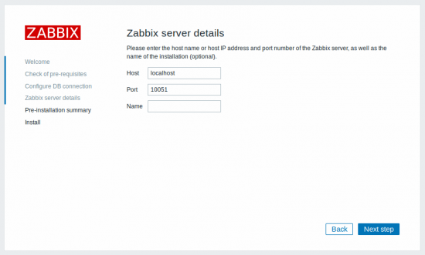
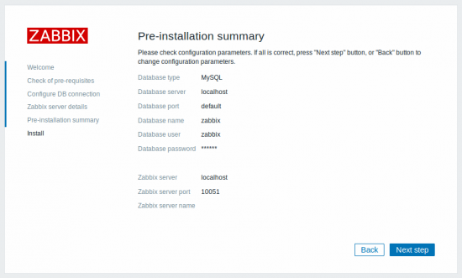
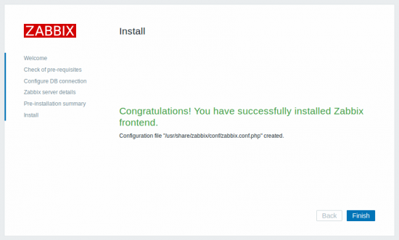
Zabbix frontend Setup

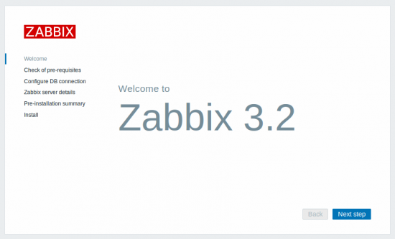

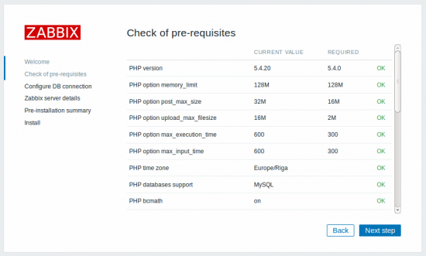

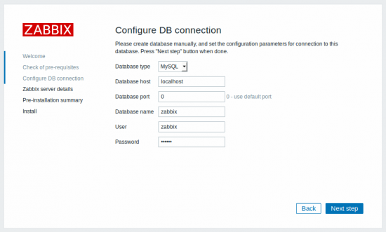

change MySQL with PostgreSQL

Zabbix frontend Monitoring
 | Zabbix frontend Monitoring Setup

1 | Login Zabbix Server

2 | Create host

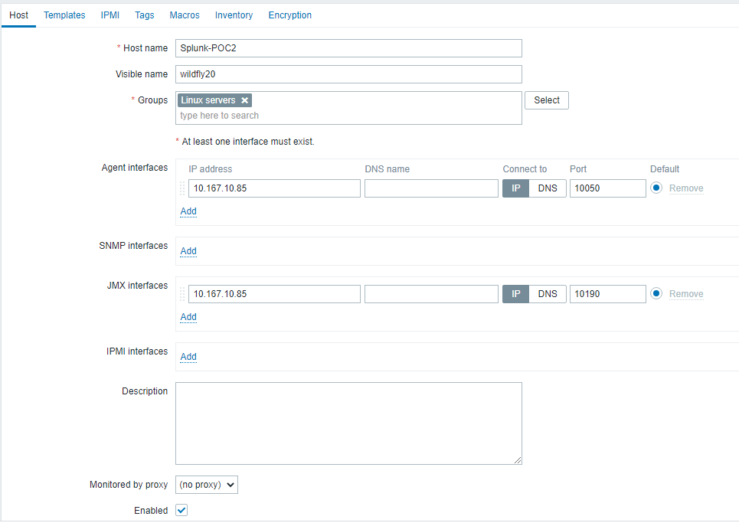

Management Port

3 | Template used



4 | Setting Up Template

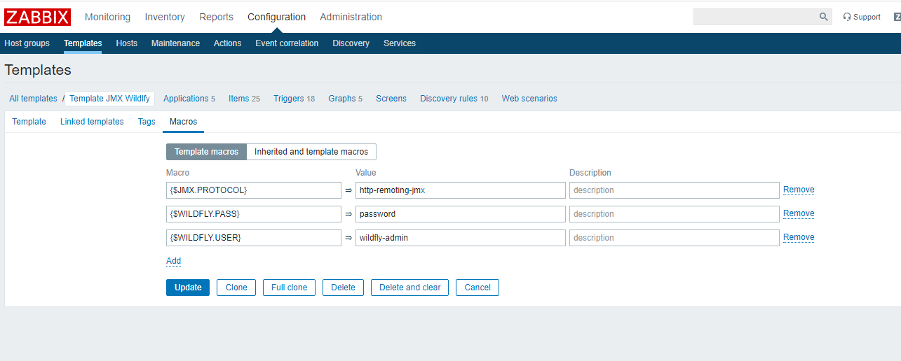

5 | Check for JMx Endpoint in Items of Template

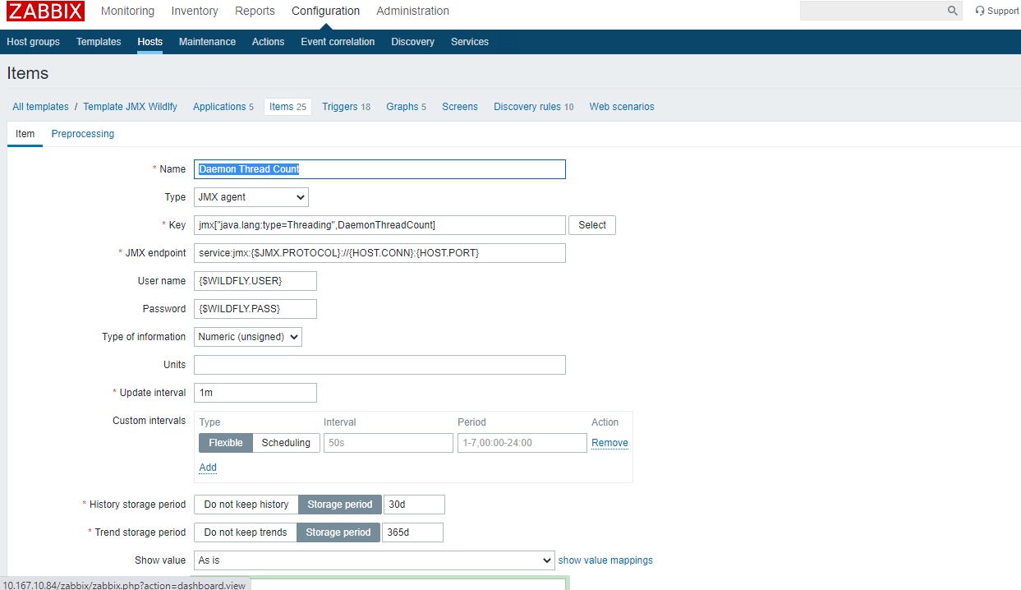

Check The JMX Endpont. It should be same for all items

6 | Update and Check JMX It should be enabled

 | Enabled >> OK
 | Not enabled >> Restart Zabbix Java Gateway

